Taxonomy
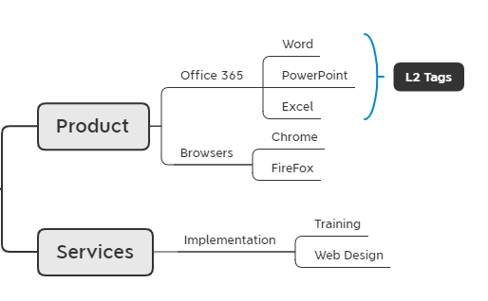
 | Taxonomy category | Level 1 | Level 2 | Level 3
Eg. | Product | Office 365 | Word
Eg. | Product | Office 365 | PowerPoint
Eg. | Product | Office 365 | Excel
Eg. | Product | Browsers | Chrome
Eg. | Product | Browsers | FireFox
Eg. | Services | Implementation | Training
Eg. | Services | Implementation | Web Design

